Customer
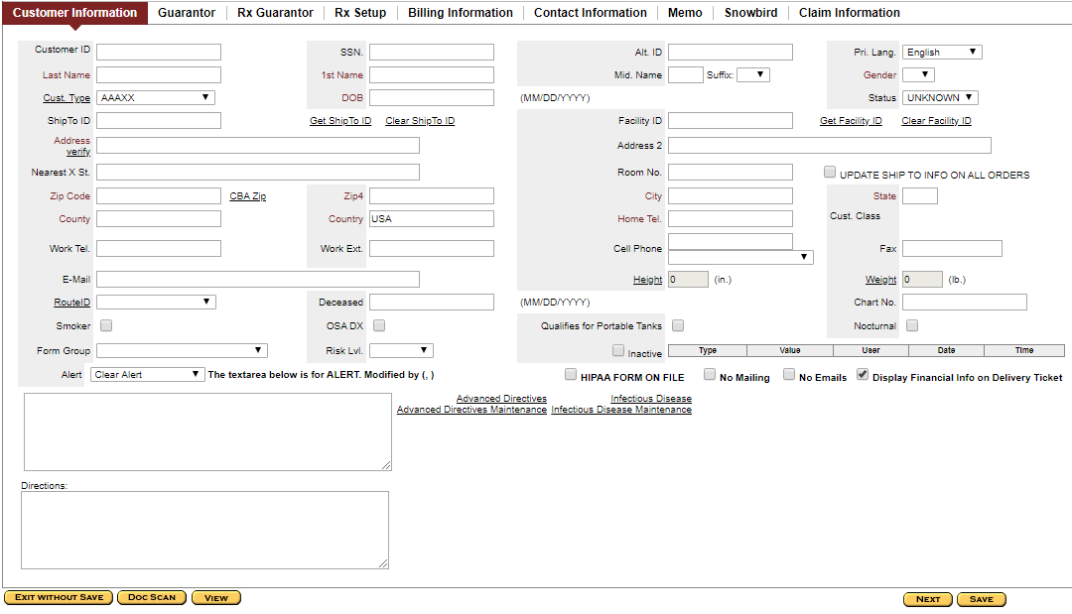
Sl# | Section | Field Name | Details
1 | Customer Information | Customer Id | It's unique id and will be generate automatically
2 | Customer Information | SSN | Social Security Number. It’s a unique number for each customer
3 | Customer Information | Alt Id
4 | Customer Information | Pri. Lang | It's a drop down field and it’s the language of the customer
5 | Customer Information | Last Name | Last name of the customer
6 | Customer Information | 1st Name | First name of the customer
7 | Customer Information | Mid Name | Middle name of the customer
8 | Customer Information | Suffix | Suffix of the Customer like- jr, Mr, etc. It's a drop down field
9 | Customer Information | Gender | Gender of the Customer
10 | Customer Information | Cust. Type | Type of Customer. It's a dropdown field
11 | Customer Information | DOB | Date of Birth of the customer. Its format is MM/DD/YYYY
12 | Customer Information | Status | Marriage status of the customer. Its dropdown field
13 | Customer Information | ShipTo ID | It’s a unique id of the a customer, Shipping address will be on that customer address. If we keep it as blank it will take the newly created customer id
14 | Customer Information | Get Ship To ID | Its a link by which we can get the ship to id. By clicking on it it will open a new customer search window
15 | Customer Information | Clear ShipTo ID | It’s a link by which we can clear the pre-field ship to id
16 | Customer Information | Facility Id
17 | Customer Information | Get Facility Id | Its a link by which we can get the Facility Id. By clicking on it it will open a new customer search window
18 | Customer Information | Clear Facility Id | It’s a link by which we can clear the pre-field Facility Id
19 | Customer Information | Address | It’s the address of the customer
20 | Customer Information | Address 2 | It’s the address of the customer
21 | Customer Information | Nearest X St. | It’s the nearest railway st. of the customer
22 | Customer Information | Room No | It’s the room no of the customer
23 | Customer Information | Update Ship to Info on ALL orders | It’s a check box by checking this check box shipping address will be updated by this address for all orders
24 | Customer Information | Zip Code | It’s the pin code of the customer address
25 | Customer Information | CBA Zip
26 | Customer Information | Zip4
27 | Customer Information | City | Its auto generated field and depends on Zip code
28 | Customer Information | State | Its auto generated field and depends on Zip code
29 | Customer Information | County | Its auto generated field and depends on Zip code. It’s the geographycally region of the insurance holder
30 | Customer Information | Counrty | It’s a default field. Default value is USA
31 | Customer Information | Home Tel | It’s the home telephone no of the customer
32 | Customer Information | Cust Class
33 | Customer Information | Work Tel. | It’s the work telephone no of the customer
34 | Customer Information | Work Ext.
35 | Customer Information | Cell Phone | It’s the Phone no of the customer
36 | Customer Information | Fax | It’s the Fax no of the customer
37 | Customer Information | E-Mail | It’s the Email of the customer
38 | Customer Information | Height | It’s the height of the customer
39 | Customer Information | Weight | It’s the weight no of the customer
40 | Customer Information | RouteID
41 | Customer Information | Deceased | It’s the date of death of the customer
42 | Customer Information | Chart No.
43 | Customer Information | Smoker | It’s a check box defines whether the customer is smoker or non smoker
44 | Customer Information | OSA DX | It’s a check box defines whether the customer is Obstructive sleep apnea or not
45 | Customer Information | Qualifies for Portable Tanks
46 | Customer Information | Noctrunal
47 | Customer Information | Form Group
48 | Customer Information | Risk Lvl. | it’s a drop down field which describes the risk taking capacity of customer
49 | Customer Information | Inactive | It’s a check box defines whether the customer is active or inactive
50 | Customer Information | Alert
51 | Customer Information | HIPAA FORM ON FILE
52 | Customer Information | No Mailing
53 | Customer Information | No Emails
54 | Customer Information | Display Financial Info on Deliver Ticket
55 | Customer Information | Advance Directives
56 | Customer Information | Infectious Disease
57 | Customer Information | Advance Directives Maintenance
58 | Customer Information | Infectious Disease Maintenance
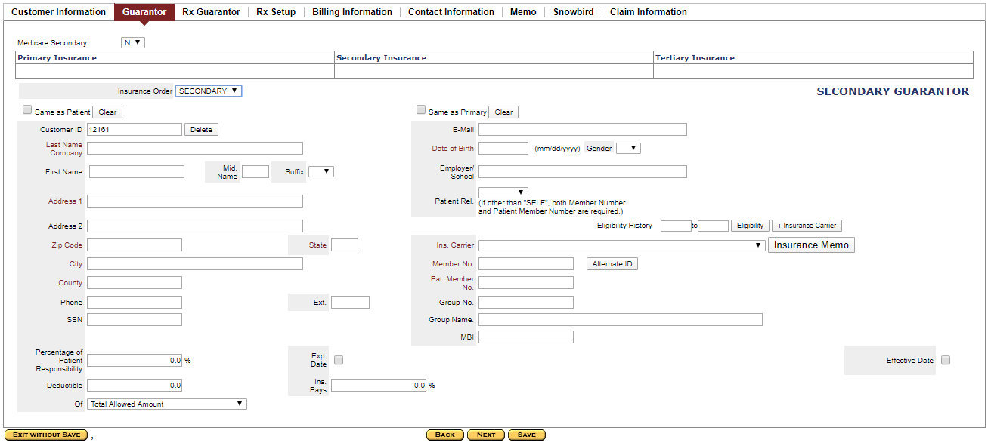
59 | Customer Information | Directions
60 | Guarantor | Medicare Secondary | It’s a drop down field which describes if the customer has any medicare health program as Secondary or not
61 | Guarantor | Primary Insurance | It’s the name of the Primary Insurance
62 | Guarantor | Secondary Insurance | It’s the name of the Secondary Insurance
63 | Guarantor | Tertiary Insurance | It’s the name of the Tertiary Insurance
64 | Guarantor | Insurance Order | it’s a drop down field by which we can add all three insurance
65 | Guarantor | Same as Patient | it’s a check box by which we can filled all same data from Customer information tab
66 | Guarantor | Clear | it’s a button which clear the corrosponding field value
67 | Guarantor | Customer ID | It's unique id and will be generate automatically
68 | Guarantor | Last Name Company | Last name of the insurance holder
69 | Guarantor | First Name | First name of the insurance holder
70 | Guarantor | Email | This Email mention in the insurance holder
71 | Guarantor | Date of Birth | Date of Birth of the insurance holder. Its format is MM/DD/YYYY
72 | Guarantor | Gender | It’s the gender of insurance holder
73 | Guarantor | Mid Name | Middle name of the insurance holder
74 | Guarantor | Suffix | Suffix of the insurance holder like- jr, Mr, etc. It's a drop down field
75 | Guarantor | Employer/School | Name of the organization where the insurance holder works
76 | Guarantor | Address 1 | It’s the address 1 of the insurance holder
77 | Guarantor | Address 2 | It’s the address 2 of the insurance holder
78 | Guarantor | Zip Code | It’s the postal code of the insurance holder
79 | Guarantor | State | It’s the state of the insurance holder. Its auto generated field and depends on Zip code
80 | Guarantor | City | It’s the city of the insurance holder. Its auto generated field and depends on Zip code
81 | Guarantor | County | It’s the geographycally region of the insurance holder. Its auto generated field and depends on Zip code
82 | Guarantor | Patient Rel. | It’s the relation for whom the insurance is buying
83 | Guarantor | Eligibility History
84 | Guarantor | Eligibility
85 | Guarantor | Insurance Carrier | It’s a button by which will get the insurance name and its address
86 | Guarantor | Ins. Carrier | it’s a drop down field and the name of the insurance company
87 | Guarantor | Insurance Memo | It’s a button by which can add the memo details
88 | Guarantor | Member No. | it s the member no of the insurance buyer
89 | Guarantor | Alternate ID
90 | Guarantor | Pat. Member No. | it s the member no of the insurance holder
91 | Guarantor | Phone | It’s the phone no of the insurance holder
92 | Guarantor | Ext.
93 | Guarantor | Group No. | It’s the group insurance number
94 | Guarantor | SSN | It’s the SSN no of the insurance holder, It’s a unique number
95 | Guarantor | Group Name | It’s the group insurance Name
96 | Guarantor | MBI | It’s a 11 digit code like claim number( 1EG4TE5MK73)
97 | Guarantor | Percentage of Patient Responsibility | The percentage of amount paid by the patient
98 | Guarantor | Exp. Date | it’s a check box by which can add the expiry date of the insurance
99 | Guarantor | Deductible | The minimum amount paid by patient before insurance policy starts paying
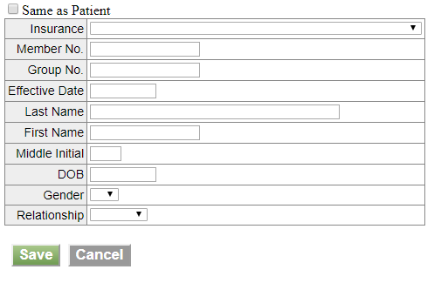
100 | Guarantor | Ins. Pays | The percentage of amount paid by the Insurance company
101 | Guarantor | of | it’s a drop down field which contains two types insurance paid value
102 | Guarantor | Effective Date | it’s a check box by which can add the effective date of the insurance
103 | Rx Guarantor | Add | It’s a button by which a new form will be open
104 | Rx Guarantor | Same as Patient | it’s a check box by which we can filled all same data as patient
105 | Rx Guarantor | Insurance | It’s a drop down field of List of insurance
106 | Rx Guarantor | Member No | it s the member no of the insurance holder
107 | Rx Guarantor | Group No. | It’s the group insurance number
108 | Rx Guarantor | Effective Date | Uts the start date of insurance
109 | Rx Guarantor | Last Name | Last name of the insurance holder
110 | Rx Guarantor | First Name | First name of the insurance holder
111 | Rx Guarantor | Middle Initial | Middle name of the insurance holder
112 | Rx Guarantor | DOB | Date of Birth of the insurance holder. Its format is MM/DD/YYYY
113 | Rx Guarantor | Gender | Gender of the insurance holder
114 | Rx Guarantor | Relationship | It’s the relation for whom the insurance is buying
115 | Rx Setup | Allergy Info
116 | Rx Setup | Leaf Lit
117 | Rx Setup | Safety Cap
118 | Billing information | Name/Last Name | Last name of the Biller
119 | Billing information | First Name | First Name of the Biller
120 | Billing information | M.N.
121 | Billing information | Bill ID | Customer id of the biller
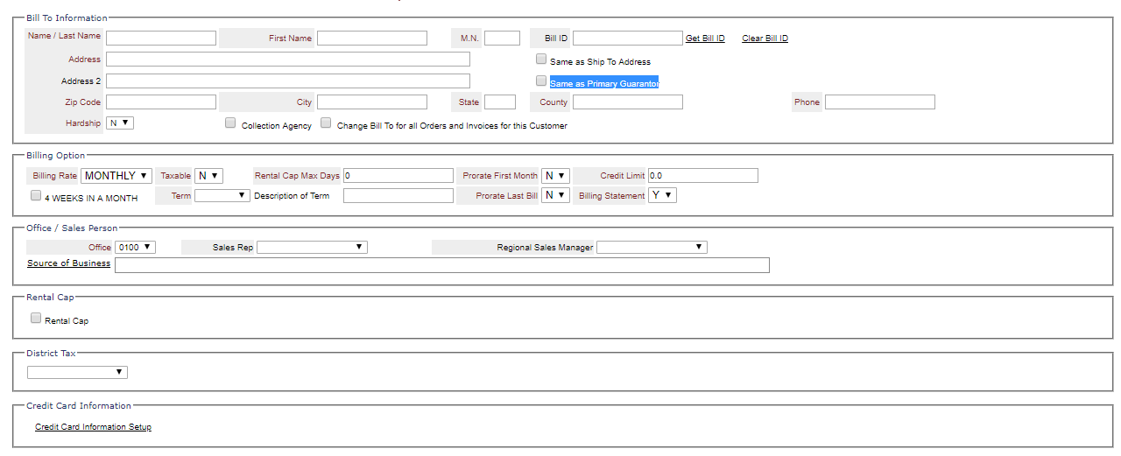
122 | Billing information | Get Bill ID | Its a link by which we can get the Bill id. By clicking on it it will open a new customer search window
123 | Billing information | Clear Bill ID | It’s a link by which we can clear the pre-field bill id
124 | Billing information | Address | It’s the address of the biller
125 | Billing information | Address 2 | It’s the address 2 of the biller
126 | Billing information | Zip Code | It’s the postal code of the biller
127 | Billing information | City | It’s the state of the biller. Its auto generated field and depends on Zip code
128 | Billing information | State | It’s the city of the biller. Its auto generated field and depends on Zip code
129 | Billing information | County | It’s the geographycally region of the biller. Its auto generated field and depends on Zip code
130 | Billing information | Phone | It’s the postal code of the biller
131 | Billing information | Hardship
132 | Billing information | Collection Agency
133 | Billing information | Change Bill To for all Orders and Invoices for this Customer
134 | Billing information | Same as Ship To Address
135 | Billing information | Same as Primary Guarantor | It’s a checkbox field. After checking this checkbox billing address of all orders and invoices for this customer will be change to the mention address
136 | Billing information | Billing Rate | This field describes that the billing time of the order like- Monthly, Weekly or Daily
137 | Billing information | Taxable | This is a field describes that whether the customer is taxable or not
138 | Billing information | Rental Cap Max Days
139 | Billing information | Prorate First Month
140 | Billing information | Credit Limit
141 | Billing information | 4 WEEKS IN A Month
142 | Billing information | Term
143 | Billing information | Description Term
144 | Billing information | Prorate Last Bill
145 | Billing information | Billing Statement
146 | Billing information | Office | This field describes the office code of the customer
147 | Billing information | Sales Rep | This field describes the Sales representative of the selected office
148 | Billing information | Regional Sales Manager | This field describes the Regional Sales Manager of the selected office
149 | Billing information | Rental Cap
150 | Billing information | District Tax
151 | Billing information | Credit Card Information Setup | This fields describes to save the credit card details of the customer
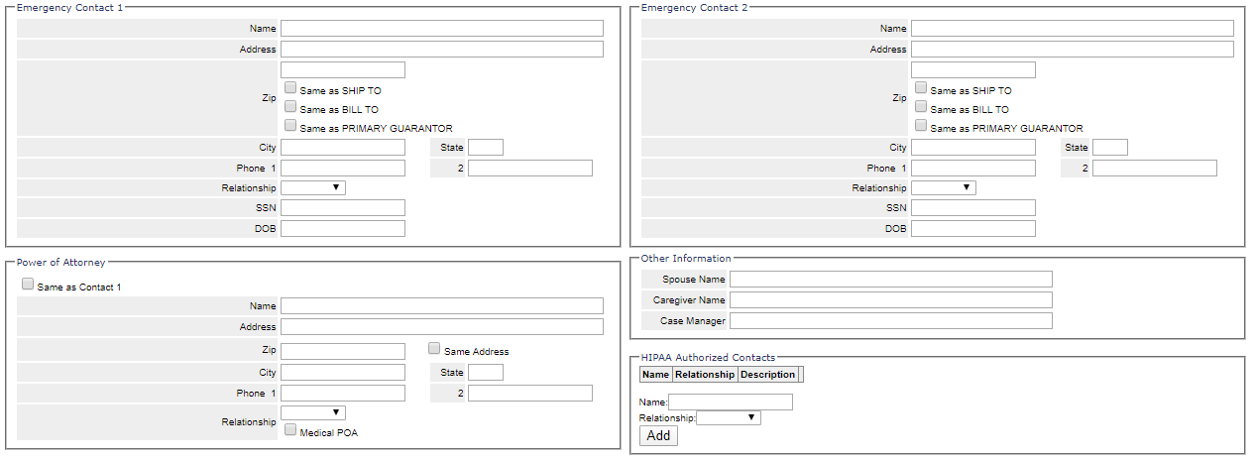
152 | Contact Information | Name | This field describes the Emergency Contact person of the customer
153 | Contact Information | Address | This field describes the Emergency Contact person Zip
154 | Contact Information | Zip | This field describes the Emergency Contact person address
155 | Contact Information | City | It’s the Emergency Contact person state. Its auto generated field and depends on Zip code
156 | Contact Information | State | It’s the Emergency Contact person city. Its auto generated field and depends on Zip code
157 | Contact Information | Phone 1 | This field describes the Emergency Contact person first phone number
158 | Contact Information | Phone 2 | This field describes the Emergency Contact person second phone number
159 | Contact Information | Relationship | This field describes the relation between Emergency Contact Person and the customer
160 | Contact Information | SSN | This field describes the Emergency Contact person SSN
161 | Contact Information | DOB | This field describes the Emergency Contact person date of birth
162 | Contact Information | Same as Ship TO | This is a checkbox field by which we can filled all same data in Contact Emergency field as Ship TO
163 | Contact Information | Same as Bill TO | This is a checkbox field by which we can filled all same data in Contact Emergency field as Bill TO
164 | Contact Information | Same as Primary Guarantor | This is a checkbox field by which we can filled all same data in Contact Emergency field as Primary
165 | Contact Information | Same as Contact 1 | This is a checkbox field by which we can filled all same data in Power of Attorney field as Primary
166 | Contact Information | Name
167 | Contact Information | Address
168 | Contact Information | Zip
169 | Contact Information | City
170 | Contact Information | State
171 | Contact Information | Phone 1
172 | Contact Information | Phone 2
173 | Contact Information | Relationship
174 | Contact Information | Same Address
175 | Contact Information | Medical POA
176 | Contact Information | Spouse Name | This field describes the Spouse name of the customer
177 | Contact Information | Caregiver Name | This field describes the Caregiver name of the customer
178 | Contact Information | Case Manager | This field describes the Case Manager name of the customer
179 | Contact Information | Name | This field describes the Authorized HIPPA person name of the customer
180 | Contact Information | Relationship | This field describes the relationship between Authorized HIPPA person and the customer
181 | Contact Information | Add | This field adds the HIPPA Authorized person
182 | Memo | Add Memo | This field describes the memo details
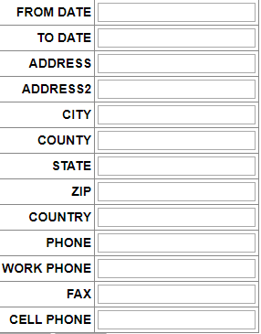
183 | Memo | Add Memo | This field adds the memo details
184 | Memo | Send To Printer | This field print the memo details
185 | Snowbird | From Date
186 | Snowbird | To Date
187 | Snowbird | Address
188 | Snowbird | Address2
189 | Snowbird | City
190 | Snowbird | County
191 | Snowbird | State
192 | Snowbird | Zip
193 | Snowbird | Country
194 | Snowbird | Phone
195 | Snowbird | Work Phone
196 | Snowbird | Fax
197 | Snowbird | Cell Phone
198 | Claim Information | Search
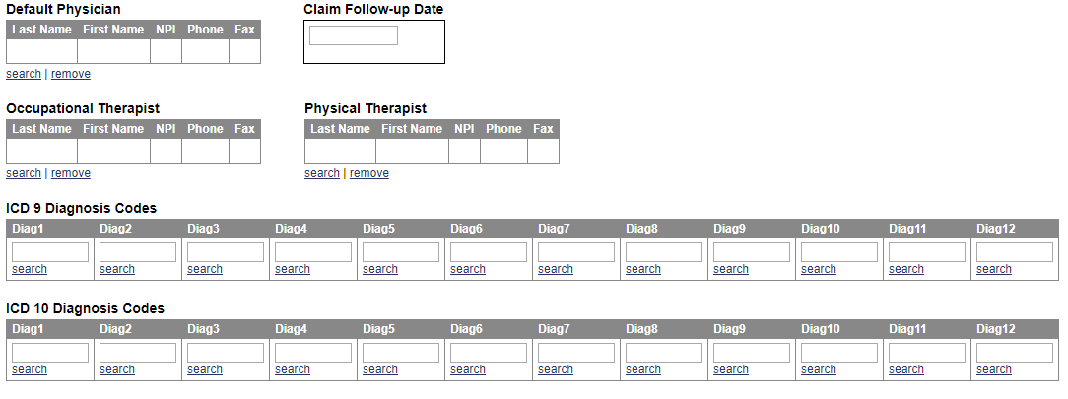
199 | Claim Information | Remove
200 | Claim Information | Last Name
201 | Claim Information | First Name
202 | Claim Information | NPI
203 | Claim Information | Phone
204 | Claim Information | Fax
205 | Claim Information | Calim Follow-up Date
206 | Claim Information | ICD 9 Diagnosis Codes
207 | Claim Information | ICD 10 Diagnosis Codes

